BUKU MULOK
 |  | SURAT PESANAN BUKU MULOK SD

 | NAMA | :
 | JABATAN | :
 | SEKOLAH | :
 | NO TLP/HP | :

No | KODE BUKU | JUDUL BUKU | PENGARANG | HARGA | EKS | JUMLAH (RP)
1 | 0024200260 | GROW WITH ENGLISH KLS.1 WITH DIGITAL CONTENT/K2013 | MUKARTO-SUJATMIKO-JOSEPHINE-WIDYA | 102,000 |  | -
2 | 0024200270 | GROW WITH ENGLISH KLS.2 WITH DIGITAL CONTENT/K2013 | MUKARTO-SUJATMIKO-JOSEPHINE-WIDYA | 111,000 |  | -
3 | 0024200280 | GROW WITH ENGLISH KLS.3 WITH DIGITAL CONTENT/K2013 | MUKARTO-SUJATMIKO-JOSEPHINE-WIDYA | 125,000 |  | -
4 | 0024200290 | GROW WITH ENGLISH KLS.4 WITH DIGITAL CONTENT/K2013 | MUKARTO-SUJATMIKO-JOSEPHINE-WIDYA | 133,000 |  | -
5 | 0024200300 | GROW WITH ENGLISH KLS.5 WITH DIGITAL CONTENT/K2013 | MUKARTO-SUJATMIKO-JOSEPHINE-WIDYA | 106,000 |  | -
6 | 0024200310 | GROW WITH ENGLISH KLS.6 WITH DIGITAL CONTENT/K2013 | MUKARTO-SUJATMIKO-JOSEPHINE-WIDYA | 104,000 |  | -
7 | 0024180010 | WASIS BASA JL.1/K2013 | TRESNO SUKENDRO-SUKARMAN | 85,000 |  | -
8 | 0024180020 | WASIS BASA JL.2/K2013 | TRESNO SUKENDRO-SUKARMAN | 89,000 |  | -
9 | 0024180030 | WASIS BASA JL.3/K2013 | TRESNO SUKENDRO-SUKARMAN | 79,000 |  | -
10 | 0024180040 | WASIS BASA JL.4/K2013 | TRESNO SUKENDRO-SUKARMAN | 80,000 |  | -
11 | 0024180050 | WASIS BASA JL.5/K2013 | TRESNO SUKENDRO-SUKARMAN | 89,000 |  | -
12 | 0024180060 | WASIS BASA JL.6/K2013 | TRESNO SUKENDRO-SUKARMAN | 79,000 |  | -
13 | 0020040100 | INFORMATIKA SD KLS.4 | HINDRASWARI ENGGAR DWIPENI | 78,000 |  | -
14 | 0020040110 | INFORMATIKA SD KLS.5 | HINDRASWARI ENGGAR DWIPENI | 92,000 |  | -
15 | 0020040120 | INFORMATIKA SD KLS.6 | HINDRASWARI ENGGAR DWIPENI | 88,000 |  | -
TOTAL |  |  |  |  |  | -
CATATAN :
 | * Dilampiri dg tanda tangan pemesan dan di stempel sekolah
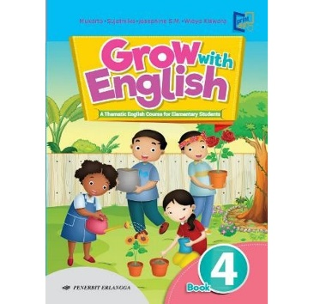
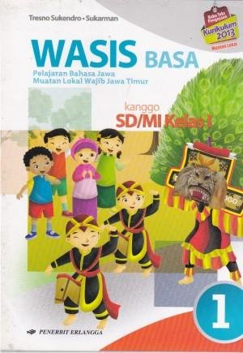
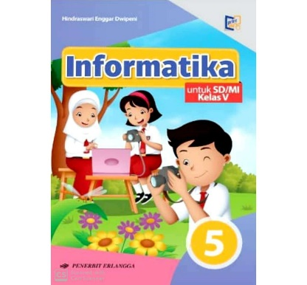
 | * Dilampiri dg Fotocopi KTP
 |  |  |  |  | BLITAR,
 | Penerima Pesanan, |  |  |  | Pemesan,

 | Chanki Defrianta
 | Ka. Rep. Blitar |  |  |  | NIP.
Contact Person: |  |  |  |  | TTD & STEMPEL
 | HP : '081 2177 36 636 ( CHANKI WA )
 | 085-74881-3698 (CHANKI TELP )

